Case #1
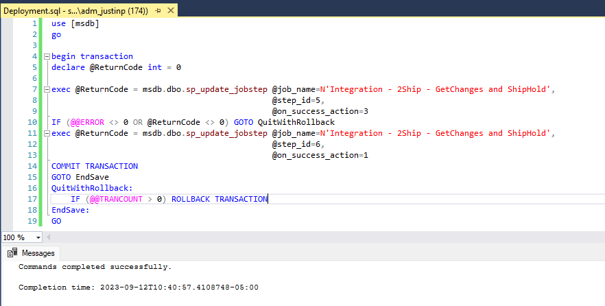
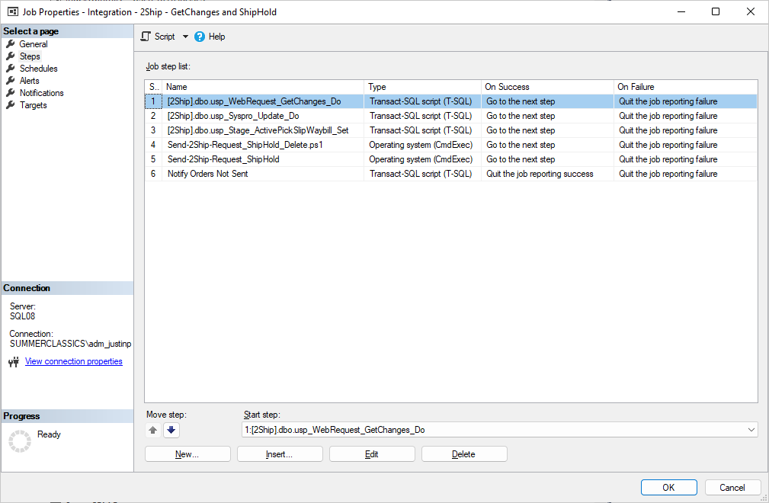
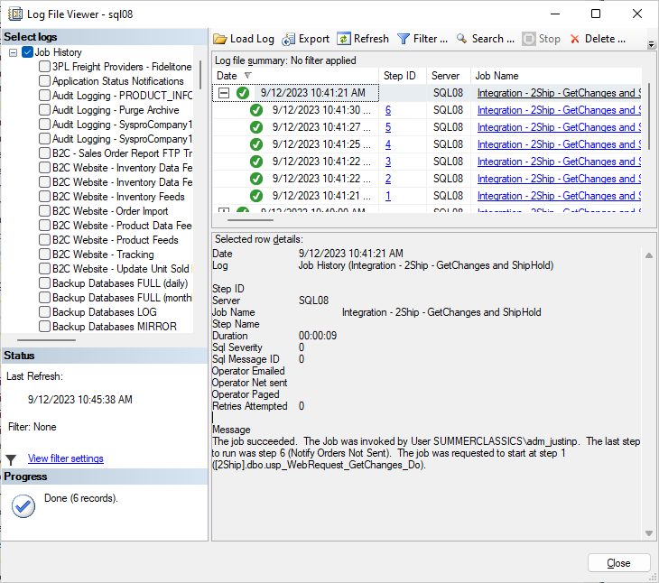
Justin Pope Dev Test
Test Case No. | 1
Process | Deployment Testing
Test Consideration | 1)
Test Condition |  | Data Used | How To Verify | Actual Results
Tasks
 | Test deployment script and job execution |  |  | Screen shots below
Configuration/Data Setup for Testing Scenario
Verification
Test Cast Screens Shots Before and After

